Balance sheet
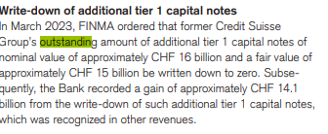
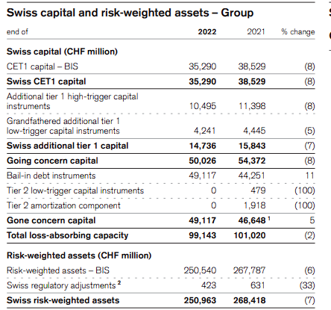
 | 2018 | 2019 | 2020 | 2021 | 2022 | 2023 | 20-f-2023 | 20-f 2022
Credit Suisse shares outstanding
Group (Listed shares) | 2,550,600,000 | 2,436,200,000 | 2,406,144,879 | 2,569,684,509 | 3,941,250,081 | (delisted)
Bank | 4,399,680,200 | 4,399,680,200 | 4,399,680,200 | 4,399,680,200 | 4,399,680,200 | 4,399,680,200

AT1 nominal value |  |  |  |  |  | 16,000,000,000
AT1 fair value | 10,216,000,000 | 13,017,000,000 | 15,841,000,000 | 15,844,000,000 | 14,736,000,000 | 15,007,000,000
AT1 drawdown gain |  |  |  |  |  | 14,113,000,000
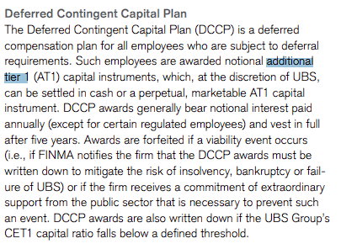
AT1 issuances | (see notes) | (see notes) | (see notes) | (no significant issuances) | (see notes)

Total equity | 43,922,000,000 | 43,644,000,000 | 42,677,000,000 | 43,954,000,000 | 48,476,000,000 | 37,655,000,000
Total Liabilities | 724,897,000,000 | 758,115,000,000 | 776,024,000,000 | 711,603,000,000 | 481,563,000,000 | 414,391,000,000
Total Assets | 768,819,000,000 | 801,759,000,000 | 818,701,000,000 | 755,557,000,000 | 530,039,000,000 | 452,046,000,000
Debt/Assets | 0.94 | 0.95 | 0.95 | 0.94 | 0.91 | 0.92

AT1 fair value

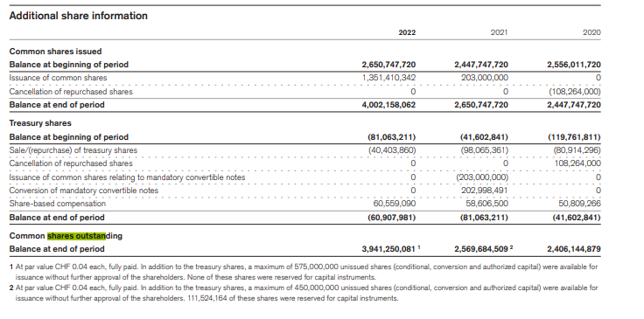

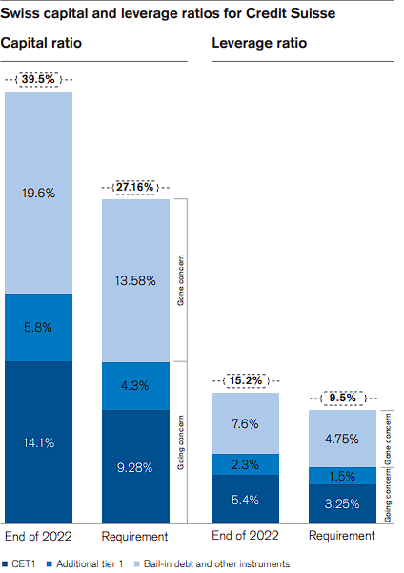

 | Form 6k:

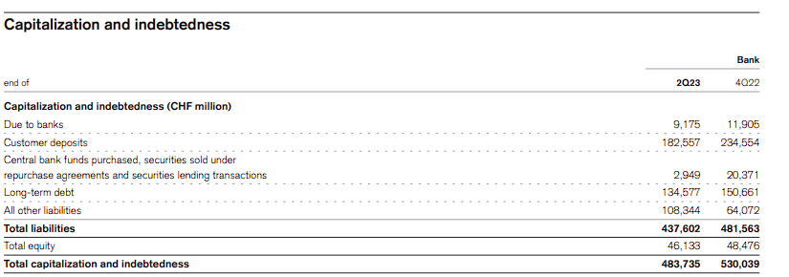

Currency translation rates (end of) | 2023 | 2022 | 2021
1 USD / 1 CHF | 0.84 | 0.92 | 0.91
1 EUR / 1 CHF | 0.93 | 0.99 | 1.03
1 GBP / 1 CHF | 1.07 | 1.12 | 1.24
100 JPY / 1 CHF | 0.59 | 0.7 | 0.79

CoCo Bonds
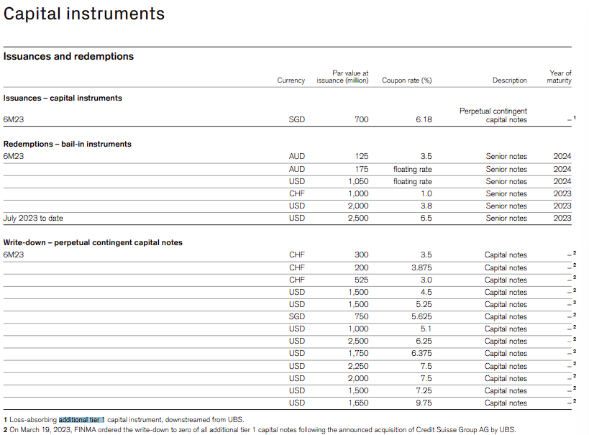
 | Currency | Par value at issuance | Coupon rate (%)
Issuances
 | SGD | 700,000,000
Total |  | 700,000,000

Redemptions
 | AUD | 125,000,000
 | AUD | 175,000,000
 | USD | 1,050,000,000
 | CHF | 1,000,000,000
 | USD | 2,000,000,000
 | USD | 2,500,000,000
Total |  | 6,850,000,000

Write down - perpetual contingent capital notes
 | CHF | 300,000,000
 | CHF | 200,000,000
 | CHF | 525,000,000
 | USD | 1,500,000,000
 | USD | 1,500,000,000
 | SGD | 750,000,000
 | USD | 1,000,000,000
 | USD | 2,500,000,000
 | USD | 1,750,000,000
 | USD | 2,250,000,000
 | USD | 2,000,000,000
 | USD | 1,500,000,000
 | USD | 1,650,000,000
Total |  | 17,425,000,000

Total |  | 24,975,000,000

